DB MARCIANO
 |  |  |  |  |  |  |  |  |  | QUANTITY PER SIZE

 |  |  |  |  |  |  | 451 | € 175.39 | 79,099.00 €
IMAGE | SEASON | BRAND | ARTICLE | EAN | CODE | COLOR | QTY | RRP | TOTAL RRP | 38 | 40 | 42 | 44 | 46 | 48
 | 2020-ES | Marciano GUESS | Jackets | 7613351792208 | 72G2038309Z - A009 | A009 | 96 | 249.00 € | 23,904.00 € | 24 | 37 | 15 | 19 | 1 | 0
 | 2020-ES | Marciano GUESS | Dresses | 7613323181832 | 43W7247367Z - 0080 - 0 | 0080 - 0 | 54 | 199.00 € | 10,746.00 € | 18 | 18 | 18 | 0 | 0 | 0
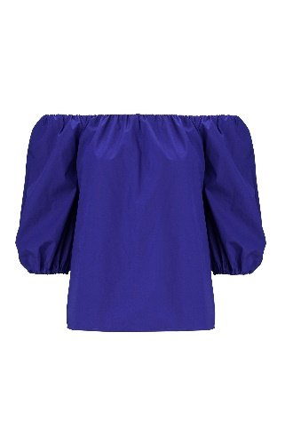 | 2020-ES | Marciano GUESS | Shirts | 7613351798354 | 72G4848342Z - A747 | A747 | 53 | 99.00 € | 5,247.00 € | 12 | 13 | 19 | 6 | 3 | 0
 | 2020-ES | Marciano GUESS | Trousers | 7613351790112 | 72G1088309Z - A996 | A996 | 7 | 129.00 € | 903.00 € | 1 | 3 | 3 | 0 | 0 | 0
 | 2020-ES | Marciano GUESS | Trousers | 7613351790761 | 72G1338309Z - A009 | A009 | 159 | 139.00 € | 22,101.00 € | 28 | 31 | 21 | 19 | 30 | 30
 | 2020-ES | Marciano GUESS | Trousers | 7613351802815 | 72G7428309Z - A747 | A747 | 17 | 199.00 € | 3,383.00 € | 3 | 8 | 6 | 0 | 0 | 0
 | 2020-ES | Marciano GUESS | Trousers | 7613351802853 | 72G7428309Z - A996 | A996 | 28 | 199.00 € | 5,572.00 € | 3 | 16 | 9 | 1 | 0 | 0
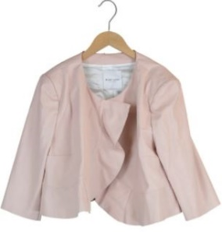 | 2020-ES | Marciano GUESS | Jackets | 7613359754956 | 74G2148548Z - PEWH | PEWH | 3 | 159.00 € | 477.00 € | 0 | 0 | 1 | 2 | 0 | 0
 | 2020-ES | Marciano GUESS | Dresses | 7613351802815 | 72G7428309Z - A747 | A747 | 34 | 199.00 € | 6,766.00 € | 4 | 20 | 10 | 0 | 0 | 0

